Figures
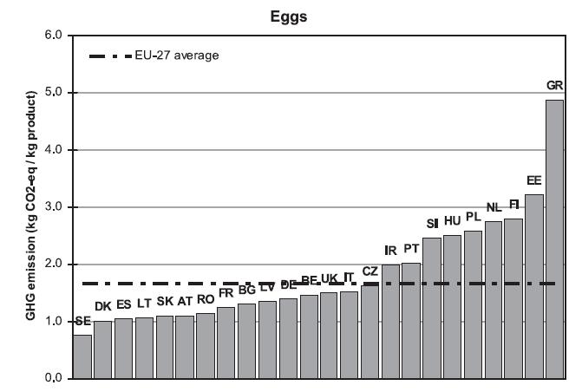
Figures

Greenhouse gas emission for egg across countries, to farmgate

 | Production of mineral fertilizer | Production of capital goods | Emissions from soil | Diesel use field machinary | Energy use for feed processing | Land use change emissions | Feed transports | Enteric fermentation | Manure management | Energy use in stables | Energy use for slaughter | Tot | Order this study: | Order Lesschen:
Poland | 0.3177243532 | 0.072429493028 | 0.35610297311 | 0.10135403066 | 0.13033695395 | 0.016103122626 | 0.014379836532 | 0 | 0.054156646832 | 0.10362621396 | 0.027684228109 | 1.193897852 | Poland | Greece
Netherlands | 0.29989085129 | 0.069210201509 | 0.4025166069 | 0.063325867125 | 0.10317800679 | 0.052232875382 | 0.051383575278 | 0 | 0.05048902177 | 0.053148365626 | 0.013992590301 | 1.159367962 | Netherlands | Netherlands
Germany | 0.32400122579 | 0.069644821412 | 0.34007761192 | 0.065109196682 | 0.10131858129 | 0.046487699084 | 0.048481418402 | 0 | 0.045352890912 | 0.049559220951 | 0.01126215698 | 1.1012948234 | Germany | Poland
Sweden | 0.25920766759 | 0.070493008167 | 0.44792662536 | 0.085867729075 | 0.084052215089 | 0.026297592752 | 0.026366678389 | 0 | 0.052545830082 | 0.0093610105902 | 0.0027769374918 | 1.0648952946 | Sweden | Hungary
Greece | 0.26775501697 | 0.069121216545 | 0.16606043827 | 0.10096735639 | 0.10369532717 | 0.077892427157 | 0.070067522786 | 0 | 0.05640148935 | 0.068383359838 | 0.019296822117 | 0.9996409766 | France | Ireland
France | 0.3198199104 | 0.069665015835 | 0.33780680678 | 0.066613877016 | 0.08373382887 | 0.030458144646 | 0.032433879249 | 0 | 0.030127457114 | 0.0097389846102 | 0.0024661093404 | 0.98286401386 | Spain | Italy
Spain | 0.29514819746 | 0.071167222768 | 0.17835392255 | 0.10322704652 | 0.092342698231 | 0.065589530486 | 0.058458754608 | 0 | 0.044388543994 | 0.029612656826 | 0.0074118457548 | 0.94570041919 | Greece | Germany
Hungary | 0.27968121936 | 0.069806193341 | 0.15771078442 | 0.079581848282 | 0.096820937031 | 0.057450605972 | 0.047563306782 | 0 | 0.03817735504 | 0.047422491295 | 0.013507303961 | 0.88772204549 | Ireland | France
Italy | 0.27571801351 | 0.068714143591 | 0.16139587713 | 0.075702673381 | 0.092486583288 | 0.061785673484 | 0.05919021196 | 0 | 0.04879855926 | 0.043143256987 | 0.010637207682 | 0.89757220028 | Hungary | Spain
Ireland | 0.20901590724 | 0.065489090601 | 0.2971212295 | 0.083658394379 | 0.094748907825 | 0.015640961635 | 0.016006185691 | 0 | 0.029703520609 | 0.040838708515 | 0.0087095618757 | 0.86093246787 | Italy | Sweden

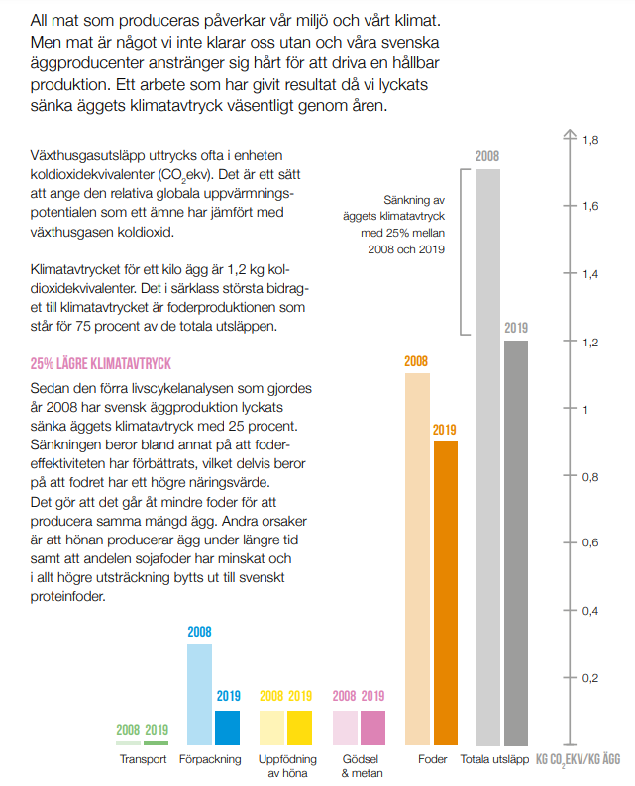

Comment:
- Hungary and Italy low feed emissions because of lower N2O emission factors
- Ireland has a high egg yield

Water use - have not checked!!
Denmark | 0.34945446777
France | 0.47801158608
Germany | 0.35489832799
Greece | 0.38101451542
Hungary | 0.34634087787
Ireland | 0.3340034804
Italy | 0.68514742122
Netherlands | 0.47153216235
Poland | 0.346216159
Spain | 1.2637785927
Sweden | 0.33340768901

Denmark | 0.34945446777
France | 0.47801158608
Germany | 0.35489832799
Greece | 0.38101451542
Hungary | 0.34634087787
Ireland | 0.3340034804
Italy | 0.68514743622
Netherlands | 0.47153366235
Poland | 0.346366159
Spain | 1.2637785927
Sweden | 0.33340768901

Off-farm feed
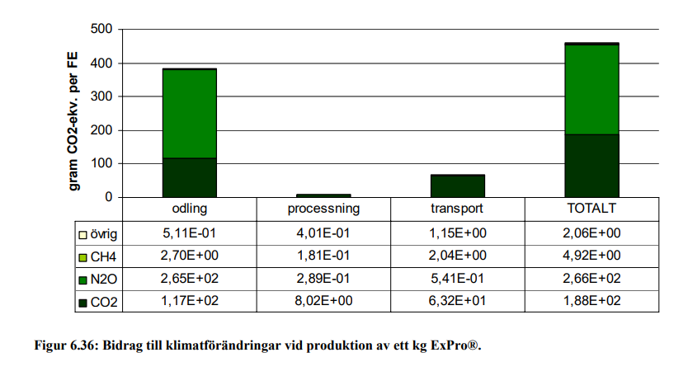
Off-farm feed

Soy bean meal

Greenhouse gas emissons:

Crops |  |  |  | Sum | Inputs |  | Soil emissions |  | Energy use |  |  |  | Land use change | Feed processing | Transports
Code | Crops | Gas | Cultivated in country |  | Production of mineral fertilizer | Production of capital goods | Direct emissions | Indirect emissions | Diesel use field mach | Energy use in greenhouses | Energy use for irrigation | Energy use for post-harvest proc | LUC emissions |  |  | Source LUC:
0141 | Soya beans | CO2e | Brazil | 0.976 | 0.006 | 0.030 | 0.043 | 0.004 | 0.052 | 0.000 | 0.000 | 0.040 | 0.801 | 0.000 | 0.000 | Pendrill et al. 2022
0141 | Soya beans | CO2 | Brazil | 0.921 | 0.004 | 0.027 | 0.000 |  | 0.051 |  | 0.000 | 0.038 | 0.80
0141 | Soya beans | CH4, fossil | Brazil | 0.000 | 0.000 | 0.000 |  |  | 0.000 |  | 0.000 | 0.000
0141 | Soya beans | CH4, bio | Brazil | 0.000
0141 | Soya beans | N2O | Brazil | 0.000 | 0.000 | 0.000 | 0.000 | 0.000 | 0.000 |  | 0.000 | 0.000

0141 | Soya beans | CO2e | Argentina | 0.208 | 0.024 | 0.030 | 0.049 | 0.005 | 0.059 | 0.000 | 0.000 | 0.040 | 0.001 | 0.000 | 0.000 | Pendrill et al. 2022
0141 | Soya beans | CO2 | Argentina | 0.139 | 0.015 | 0.027 | 0.000 |  | 0.058 |  | 0.000 | 0.038 | 0.00054
0141 | Soya beans | CH4, fossil | Argentina | 0.000 | 0.000 | 0.000 |  |  | 0.000 |  | 0.000 | 0.000
0141 | Soya beans | CH4, bio | Argentina | 0.000
0141 | Soya beans | N2O | Argentina | 0.000 | 0.000 | 0.000 | 0.000 | 0.000 | 0.000 |  | 0.000 | 0.000

0141_m | Soy bean meal | CO2e | Brazil, Argentina | 0.772 | 0.012 | 0.024 | 0.036 | 0.004 | 0.044 | 0.000 | 0.000 | 0.031 | 0.318 | 0.043 | 0.260
0141_m | Soy bean meal | CO2 | Brazil, Argentina | 0.706 | 0.007 | 0.021 | 0.000 |  | 0.043 |  | 0.000 | 0.030 | 0.318 | 0.035 | 0.251 | Flysjö et al. 2008, Figur 6.35
0141_m | Soy bean meal | CH4, fossil | Brazil, Argentina | 0.000 | 0.000 | 0.000 |  |  | 0.000 |  | 0.000 | 0.000 |  | 0.000 | 0.000 | Flysjö et al. 2008, Figur 6.35, divided by GWP-factor used in report, Tabell 5.1
0141_m | Soy bean meal | CH4, bio | Brazil, Argentina | 0.000
0141_m | Soy bean meal | N2O | Brazil, Argentina | 0.000 | 0.000 | 0.000 | 0.00013 | 0.000 | 0.000 |  | 0.000 | 0.000 |  | 0.000 | 0.000 | Flysjö et al. 2008, Figur 6.35, divided by GWP-factor used in report, Tabell 5.1

Other footprints:

Crops |  |  |  |  | Land | Nitrogen | Phosphorus | Water | Pesticides | Biodiversity | Ammonia
Code | Crops | Categories | Country | Country code | Cropland use, m2/kg | N application, kg N/kg | P application, kg P/kg | Blue freshwater use, m3/kg | Pesticide use, g a.i./kg | Extinction rate, E/MSY/kg | Ammonia emission, kg NH3/kg
0141 | Soya beans | Pulses | Brazil | BR | 2.9987165493 | 0.075567657043 | 0.0065971764085 | 0.00083191495512 | 0.33775822795 | 3.31E-10 | 5.47E-05 |  | Copied from RPC-file
0141 | Soya beans | Pulses | Argentina | AR | 3.4374419932 | 0.031968210536 | 0.0017187209966 | 0.0053124997988 | 0.31624466337 | 3.62E-11 | 2.09E-04 |  | Remember to divide biodiversity by 100 when updating! Or use merged_data in the R-script

0141_m | Soy bean meal | Feed | Brazil, Argentina |  | 2.55 | 0.04 | 0.0033 | 0.0024 | 0.26 | 1.46E-10 | 1.05E-04

Parameters for soy
Soy meal in 1 kg soy bean |  | 0.82 |  |  |  |  |  |  |  |  |  |  |  |  |  | Flysjö et al. 2008, Tabell 4.24
Economic allocation factor meal |  | 0.65 |  |  |  |  |  |  |  |  |  |  |  |  |  | Flysjö et al. 2008, Tabell 4.24

Energy use processing:
Electricity |  | 0.166 | MJ per kg soy beans processed |  |  | Share electricity: |  | 0.15 |  |  |  |  |  |  |  | Flysjö et al. 2008
Biomass |  | 0.973 | MJ per kg soy beans processed |  |  |  |  |  |  |  |  |  |  |  |  | Flysjö et al. 2008

Assuming half of soy from Brazil and the other half from Argentina. |  |  |  |  |  |  |  |  |  |  |  |  |  |  |  | https://www.fediol.eu/data/Where%20does%20soy%20come%20from.pdf

Rape seed meal

Greenhouse gas emissons:

Crops |  |  |  | Sum | Inputs |  | Soil emissions |  | Energy use |  |  |  | Land use change | Feed processing | Transports
Code | Crops | Gas | Cultivated in country |  | Production of mineral fertilizer | Production of capital goods | Direct emissions | Indirect emissions | Diesel use field mach | Energy use in greenhouses | Energy use for irrigation | Energy use for post-harvest proc | LUC emissions
01443 | Rape or colza seed, average | CO2e | France | 0.867 | 0.450 | 0.030 | 0.242 | 0.024 | 0.050 | 0.000 | 0.001 | 0.069 | 0.000 | 0.000 | 0.000
01443 | Rape or colza seed, average | CO2 | France | 0.474 | 0.330 | 0.027 | 0.000 |  | 0.049 |  | 0.001 | 0.068
01443 | Rape or colza seed, average | CH4, fossil | France | 0.000 | 3.5E-04 | 9.5E-05 |  |  | 2.2E-05 |  | 3.3E-06 | 3.0E-05
01443 | Rape or colza seed, average | CH4, bio | France | 0.000
01443 | Rape or colza seed, average | N2O | France | 0.001 | 4.0E-04 | 1.1E-06 | 8.9E-04 | 8.9E-05 | 1.3E-06 |  | 4.0E-08 | 2.5E-06

01443 | Rape or colza seed, average | CO2e | Germany | 0.725 | 0.303 | 0.030 | 0.242 | 0.024 | 0.049 | 0.000 | 0.000 | 0.077 | 0.000 | 0.000 | 0.000
01443 | Rape or colza seed, average | CO2 | Germany | 0.333 | 0.182 | 0.027 | 0.000 |  | 0.048 |  | 0.000 | 0.075
01443 | Rape or colza seed, average | CH4, fossil | Germany | 0.001 | 3.5E-04 | 9.5E-05 |  |  | 2.1E-05 |  | 5.0E-07 | 4.3E-05
01443 | Rape or colza seed, average | CH4, bio | Germany | 0.000
01443 | Rape or colza seed, average | N2O | Germany | 0.001 | 4.0E-04 | 1.1E-06 | 8.9E-04 | 8.9E-05 | 1.3E-06 |  | 6.2E-09 | 2.8E-06

01443 | Rape or colza seed, average | CO2e | Poland | 0.745 | 0.303 | 0.030 | 0.242 | 0.024 | 0.058 | 0.000 | 0.000 | 0.088 |  | 0.000 | 0.000
01443 | Rape or colza seed, average | CO2 | Poland | 0.352 | 0.182 | 0.027 | 0.000 |  | 0.057 |  | 0.000 | 0.086
01443 | Rape or colza seed, average | CH4, fossil | Poland | 0.001 | 0.000 | 0.000 |  |  | 0.000 |  | 0.000 | 0.000
01443 | Rape or colza seed, average | CH4, bio | Poland | 0.000
01443 | Rape or colza seed, average | N2O | Poland | 0.001 | 0.000 | 0.000 | 8.856E-04 | 0.000 | 0.000 |  | 0.000 | 0.000

01443_m | Rape seed meal | CO2e | France, Germany, Poland | 0.466 | 0.170 | 0.015 | 0.117 | 0.012 | 0.025 |  | 0.000 | 0.038 |  | 0.024 | 0.066 | Source transports:
01443_m | Rape seed meal | CO2 | France, Germany, Poland | 0.271 | 0.112 | 0.013 | 0.000 |  | 0.025 |  | 0.000 | 0.037 |  | 0.021 | 0.063 | Flysjö et al. 2008, Figur 6.36
01443_m | Rape seed meal | CH4, fossil | France, Germany, Poland | 0.000 | 0.000 | 0.000 |  |  | 0.000 |  | 0.000 | 0.000 |  | 0.000 | 0.000 | Flysjö et al. 2008, Figur 6.36, divided by GWP-factor used in report, Tabell 5.1
01443_m | Rape seed meal | CH4, bio | France, Germany, Poland | 0.000
01443_m | Rape seed meal | N2O | France, Germany, Poland | 0.001 | 0.000 | 0.000 | 0.0004 | 0.00004 | 0.000 |  | 0.000 | 0.000 |  | 0.000 | 0.000 | Flysjö et al. 2008, Figur 6.36, divided by GWP-factor used in report, Tabell 5.1

Other footprints:

Crops |  |  |  |  | Land | Nitrogen | Phosphorus | Water | Pesticides | Biodiversity | Ammonia
Code | Crops | Categories | Country | Country code | Cropland use, m2/kg | N application, kg N/kg | P application, kg P/kg | Blue freshwater use, m3/kg | Pesticide use, g a.i./kg | Extinction rate, E/MSY/kg | Ammonia emission, kg NH3/kg
01443_m | Rape or colza seed, average | Feed | France | FR | 3.0504172971 | 0.047160731473 | 0.0051331408406 | 0.0050398432163 | 0.66988842289 | 3.67E-11 | 0.0028671179329 |  | Copied from RPC-file
01443_m | Rape or colza seed, average | Feed | Germany | DE | 2.9846291598 | 0.047160731473 | 0.0051331408406 | 0 | 0.49457909999 | 2.74E-11 | 0.0028671179329 |  | Remember to divide biodiversity by 100 when updating! Or use merged_data in the R-script
01443_m | Rape or colza seed, average | Feed | Poland | PL | 3.5333691381 | 0.047160731473 | 0.0051331408406 | 0 | 0.66057946683 | 1.41E-11 | 0.0028671179329

01443_m | Rape seed meal | Feed | France, Germany, Poland |  | 1.54 | 0.02 | 0.0025 | 0.0008 | 0.29 | 1.26E-11 | 1.38E-03

Parameters for rape seed
Rape meal in 1 kg rape seed |  | 0.58 |  |  |  |  |  |  |  |  |  |  |  |  |  | Flysjö et al. 2008
Economic allocation factor meal |  | 0.28 |  |  |  |  |  |  |  |  |  |  |  |  |  | Flysjö et al. 2008

Energy use processing:
Electricity |  | 0.13 | MJ per kg rape seed processed |  |  |  |  |  |  |  |  |  |  |  |  | Flysjö et al. 2008, p. 45, using share of electricity as for soy because ratio between electricity and gas/biofuels not stated
Biomass |  | 0.78 | MJ per kg rape seed processed

Using the three largest rapeseed countries and taking an average of these. |  |  |  |  |  |  |  |  |  |  |  |  |  |  |  | https://projects.luke.fi/ruokafakta/en/field-crops/rapeseed-production-volumes/#:~:text=The%20largest%20producers%20are%20France,Germany%2C%20with%203.7%20billion%20kilos.

Verification

 | This study | Flysjö et al. 2008
Cultivation | 0.376 | 0.385 | Slightly different because in this study we use a mix of three countries, Flysjö only Sweden
Processing | 0.024 | 0.009 | Slightly higher because of electricity mix from the three countries
Transport | 0.066 | 0.067 | Slightly different because of different GWP-factors
Total | 0.466 | 0.461

